Test Data
Non-Prorated Charges
SL.No | Action | Plan | Subscriber ID | MSISDN | On Day ( of Bill Cycle) | Status | Wifi Charge Applied (Yes/No) | Charge Count | Final Plan for Billing
1 | Activation | Plan 1 | SUB001 | M001 | 1 | Active | Yes | 1 | Plan 1
2 | Activation | Plan 2 | SUB002 | M002 | 5 | Active | Yes | 1 | Plan 2
3 | Activation | Plan 3 | SUB003 | M003 | 10 | Active | Yes | 1 | Plan 3
4 | Activation | Plan 4 | SUB004 | M004 | 15 | Active | Yes | 1 | Plan 4
5 | Activation | Plan 5 | SUB005 | M005 | 25 | Active | Yes | 1 | Plan 5
6 | Activation | Plan 6 | SUB006 | M006 | 30 | Active | Yes | 1 | Plan 6
7 | Activation | Plan 1 | SUB007 | M007 | 1 | Active | Yes | 1 | Plan 1
 | Suspend on Same Day | Plan 1 | SUB007 | M007 | 1 | Suspend
8 | Activation | Plan 1 | SUB008 | M008 | 10 | Active | Yes | 1 | Plan 1
 | Suspend on Same Day | Plan 1 | SUB008 | M008 | 10 | Suspend
9 | Activation | Plan 2 | SUB009 | M009 | 1 | Active | Yes | 1 | Plan 2
 | Suspend on Diff Day | Plan 2 | SUB009 | M009 | 15 | Suspend
10 | Activation | Plan 1 | SUB010 | M010 | 1 | Active | Yes | 1 | Plan 1
 | Suspend on Same Day | Plan 1 | SUB010 | M010 | 1 | Suspend
 | Resume on Same Day | Plan 1 | SUB010 | M010 | 1 | Resume
11 | Activation | Plan 1 | SUB011 | M011 | 1 | Active | Yes | 1 | Plan 1
 | Suspend on Same Day | Plan 1 | SUB011 | M011 | 5 | Suspend
 | Resume on Same Day | Plan 1 | SUB011 | M011 | 5 | Resume
12 | Activation | Plan 2 | SUB012 | M012 | 1 | Active | Yes | 1 | Plan 1
 | Suspend on Diff Day | Plan 2 | SUB012 | M012 | 5 | Suspend
 | Resume on Diff Day | Plan 2 | SUB012 | M012 | 10 | Resume
13 | Activation | Plan 1 | SUB013 | M013 | 1 | Active | No | 0 | -
 | Deactivate on Same Day | Plan 1 | SUB013 | M013 | 1 | Deactive
14 | Activation | Plan 1 | SUB014 | M014 | 5 | Active | No | 0 | -
 | Deactivate on Same Day | Plan 1 | SUB014 | M014 | 5 | Deactive
15 | Activation | Plan 1 | SUB015 | M015 | 1 | Active | No | 0 | -
 | Suspend on Same Day | Plan 1 | SUB015 | M015 | 1 | Suspend
 | Deactivate on Same Day | Plan 1 | SUB015 | M015 | 1 | Deactive
16 | Activation | Plan 1 | SUB016 | M016 | 1 | Active | Yes | 1 | Plan 1
 | Deactivate on Diff Day | Plan 1 | SUB016 | M016 | 5 | Deactive
17 | Activation | Plan 1 | SUB017 | M017 | 1 | Active | Yes | 1 | Plan 1
 | Suspend on Same Day | Plan 1 | SUB017 | M017 | 1 | Suspend
 | Deactivate on Diff Day | Plan 1 | SUB017 | M017 | 5 | Deactive
18 | Activation | Plan 1 | SUB018 | M018 | 5 | Active | Yes | 1 | Plan 1
 | Suspend on Diff Day | Plan 1 | SUB018 | M018 | 10 | Suspend
 | Deactivate on Diff Day | Plan 1 | SUB018 | M018 | 15 | Deactive
19 | Activation | Plan 1 | SUB019 | M019 | 1 | Active | Yes | 1 | Plan 1
 | Deactivate on Same Day | Plan 1 | SUB019 | M019 | 1 | Deactive
 | Reactivate on Same Day | Plan 1 | SUB019 | M019 | 1 | Active
20 | Activation | Plan 1 | SUB020 | M020 | 1 | Active | Yes | 2 | Plan 1
 | Deactivate on Diff Day | Plan 1 | SUB020 | M020 | 5 | Deactive
 | Reactivate on Diff Day | Plan 1 | SUB020 | M020 | 10 | Active
21 | Activation | Plan 1 | SUB021 | M021 | 1 | Active | Yes | 1 | Plan 1 & M022
 | Change MSISDN on Same Day | Plan 1 | SUB021 | M022 | 1 | Active
22 | Activation | Plan 1 | SUB022 | M023 | 1 | Active | Yes | 1 | Plan 1 & M024
 | Change MSISDN on Diff Day | Plan 1 | SUB022 | M024 | 5 | Active
23 | Activation | Plan 1 | SUB023 | M025 | 1 | Active | Yes | 1 | Plan 2
 | Change Plan on Same Day | Plan 2 | SUB023 | M025 | 1 | Active
24 | Activation | Plan 1 | SUB024 | M026 | 5 | Active | Yes | 1 | Plan 2
 | Change Plan on Diff Day | Plan 2 | SUB024 | M026 | 10 | Active
25 | Activation | Plan 1 | SUB025 | M027 | 1 | Active | Yes | 1 | Plan 3
 | Change Plan on Diff Day | Plan 2 | SUB025 | M027 | 5 | Active
 | Change Plan on Diff Day | Plan 3 | SUB025 | M027 | 10 | Active
26 | Activation [TEST Sub] | Plan 1 | SUB026 | M028 | 1 | Active | Yes | 0 | -
27 | Activation [SIM001] | Plan 1 | SUB027 | M029 | 1 | Active | Yes | 1 | Plan 1 & SIM002
 | Change SIM [SIM002] | Plan 1 | SUB027 | M029 | 5 | Active
28 | Activation | Plan 1 | SUB028 | M030 | 1 | Active | Yes | 3 | Plan 2
 | Suspend | Plan 1 | SUB028 | M030 | 1 | Suspend
 | Resume | Plan 1 | SUB028 | M030 | 1 | Active
 | Deactivate | Plan 1 | SUB028 | M030 | 2 | Deactive
 | Reactivate | Plan 1 | SUB028 | M030 | 3 | Active
 | Deactivate | Plan 1 | SUB028 | M030 | 4 | Deactive
 | Reactivate | Plan 1 | SUB028 | M030 | 5 | Active
 | Change Plan | Plan 2 | SUB028 | M030 | 5 | Deactive
29 | Existing Activation | Plan 1 | SUB001 | M001 |  | Active | Yes | 1 | Plan 1
30 | Existing Suspend | Plan 1 | SUB001 | M001 |  | Suspend | Yes | 1 | Plan 1

Samples
Invoice - Mock-up
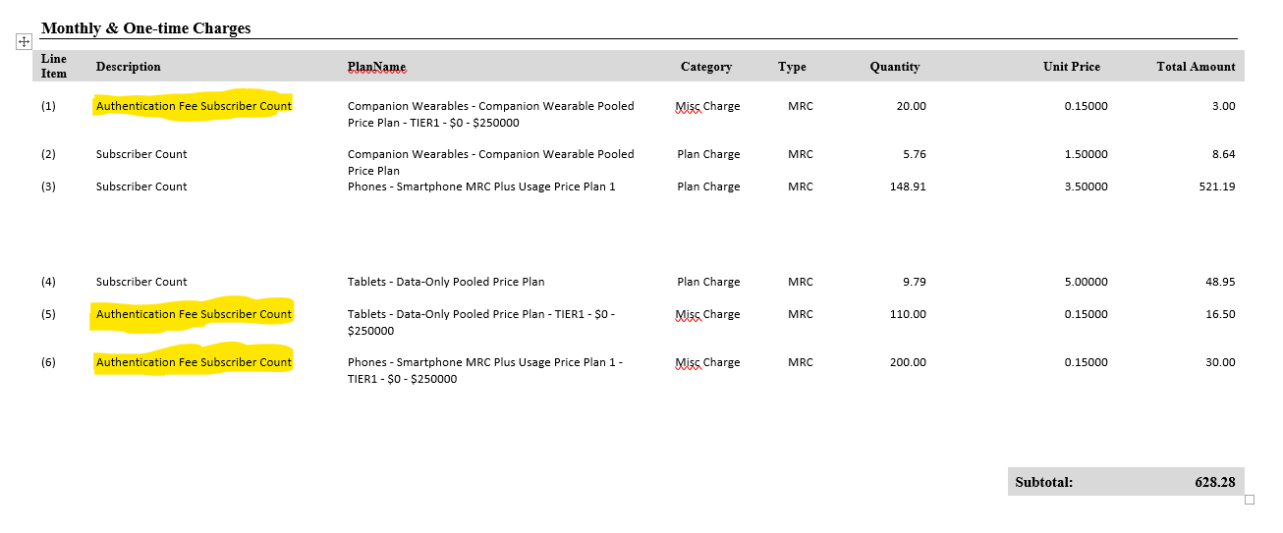
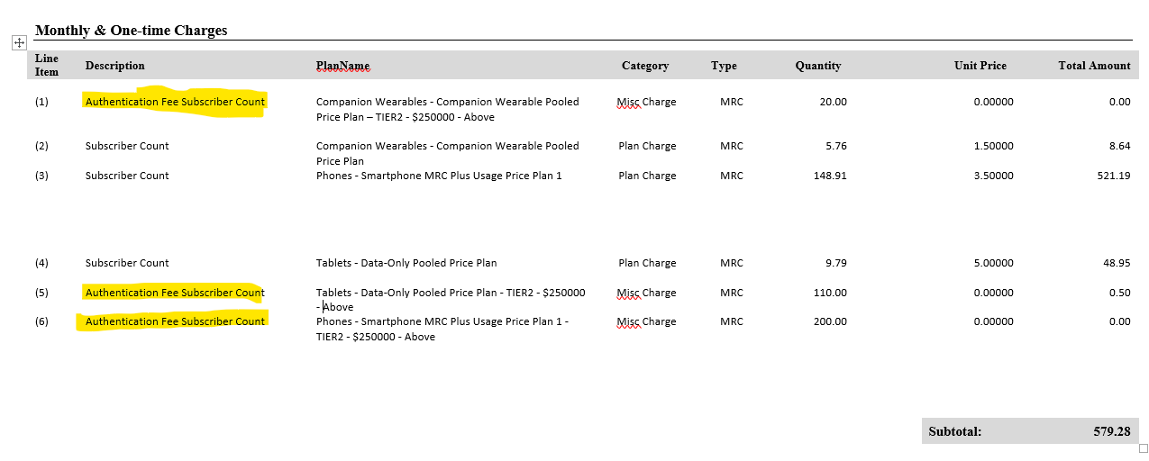

GL Accounts

Line Item Text | Gl Account | Category | Reporting Ind | Read Only Flag | Account Tupe | Line Text
STD-Subscriber Authentication Fee | 50130250 | REVENUE | PROFIT | F | M2M | M2M WiFi Authentication Fee
STD-Subscriber Authentication Fee | 50130250 | REVENUE | PROFIT | F | M2M IOT | M2M IOT WiFi Authentication Fee
STD-Subscriber Authentication Fee | 50130050 | REVENUE | PROFIT | F | MVNO | MVNO WiFi Authentication Fee
STD-Subscriber Authentication Fee | 50141090 | REVENUE | PROFIT | F | MVNO IOT | MVNO IOT WiFi Authentication Fee

